Full Data
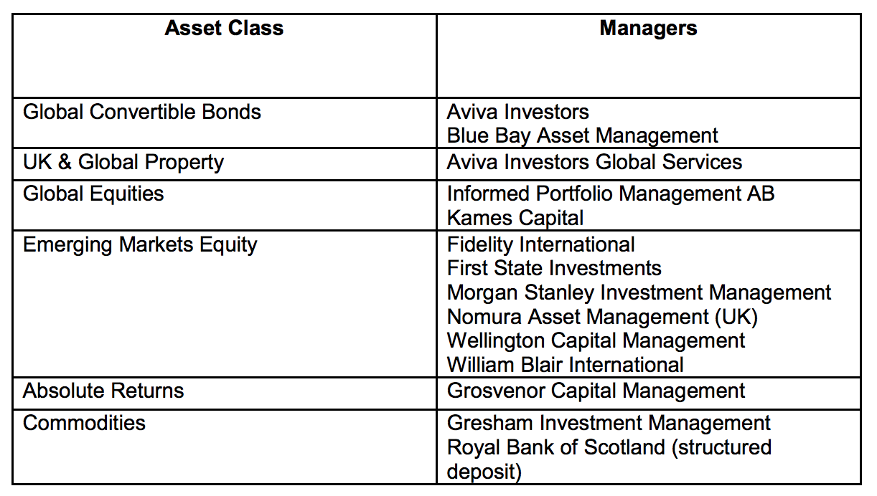
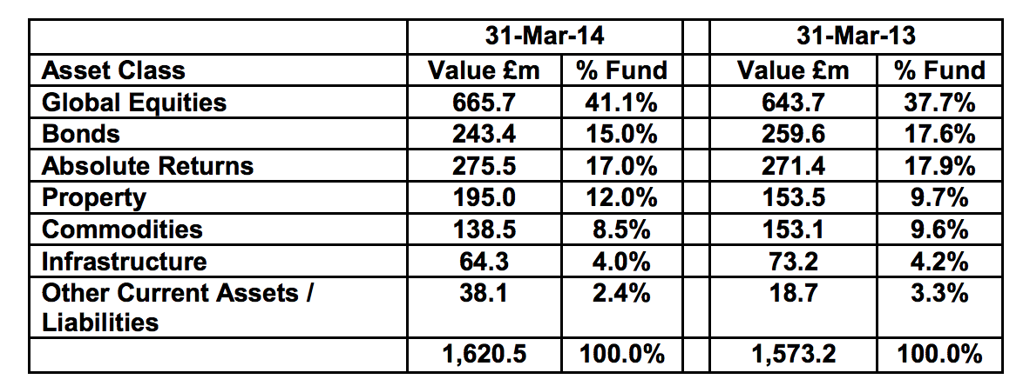
Name of Local Authority Pension Fund | Description of holding - equity, gilts, government bonds, non govt bonds etc | Sub-category/ Classification | Number of bonds/ shares | Fund manager | Amount
Royal County of Berkshire Pension Fund
Royal County of Berkshire Pension Fund
Royal County of Berkshire Pension Fund
Royal County of Berkshire Pension Fund
Royal County of Berkshire Pension Fund
Royal County of Berkshire Pension Fund
Royal County of Berkshire Pension Fund
Royal County of Berkshire Pension Fund
Royal County of Berkshire Pension Fund
Royal County of Berkshire Pension Fund
Royal County of Berkshire Pension Fund
Royal County of Berkshire Pension Fund

